APS with FRV APS
 |  |  | Weight total: | 38 |  | kg |  | Total weight includes: APS, FRV APS ( 5 kg), Main LS Cables (5 kg)

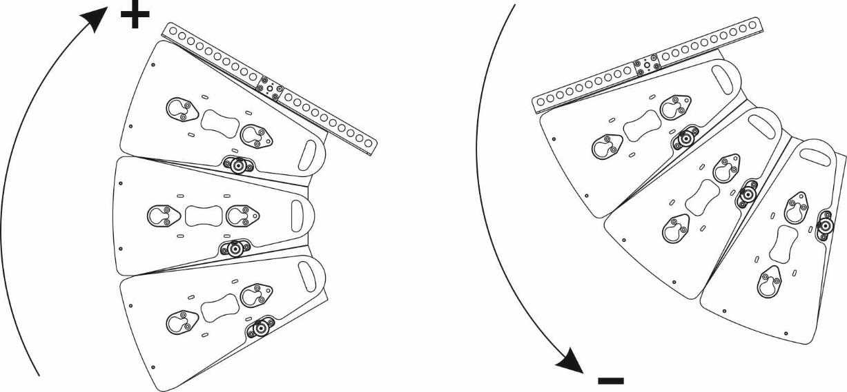
 | 2 motors, kg | front motor |  |  |  |  |  |  |  |  |  |  |  |  |  |  |  |  |  |  |  |  |  | rear motor
 |  | 23 |  |  |  |  |  |  |  |  |  |  |  |  |  |  |  |  |  |  |  |  | 15

 | 1 motor- 2 points | 1 | 0 | 0 | 0 | 0 | 0 | 0 | 0 | 0 | 0 | 0 | 0 | 0 | 0 | 0 | 0 | 0 | 0 | 16 | 0 | 0 | 0 | 0

 | 1 motor - 1 point |  |  |  |  |  |  |  |  |  | 10

enter the angle of frame FRV APS

0

enter the number of APS cabinets from 1 up to 6

1

APS SUB with FRV APS
 |  |  | Weight total: | 58 |  | kg |  | Total weight includes: APS SUB , FRV APS ( 5 kg), Main LS Cables (5 kg)
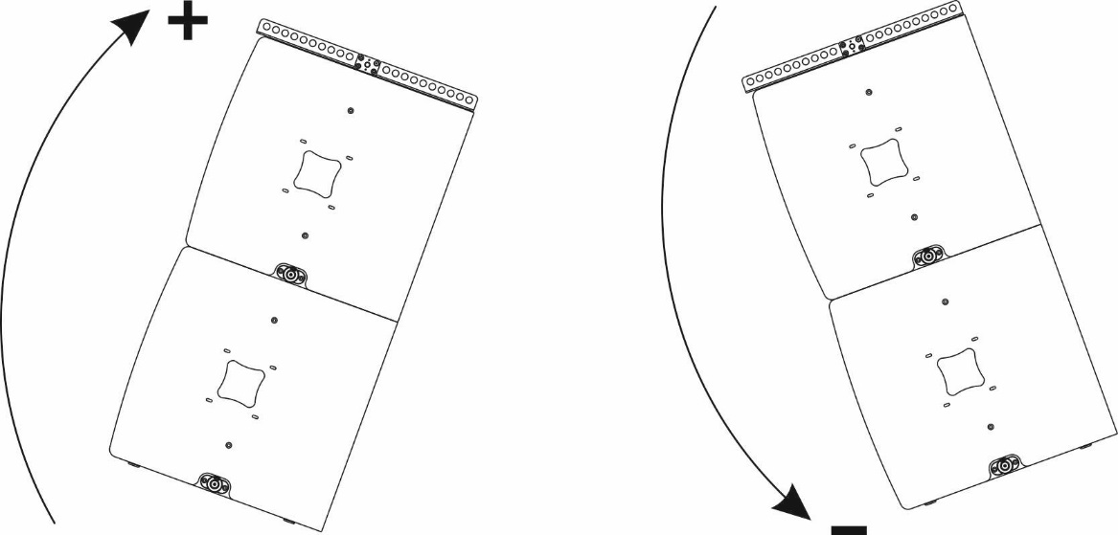
 | 2 motors, kg | front motor |  |  |  |  |  |  |  |  |  |  |  |  |  |  |  |  |  |  |  |  |  | rear motor
 |  | 31 |  |  |  |  |  |  |  |  |  |  |  |  |  |  |  |  |  |  |  |  | 26

 | 1 motor- 2 points | 1 | 0 | 0 | 0 | 0 | 0 | 0 | 0 | 0 | 0 | 0 | 0 | 0 | 0 | 0 | 0 | 0 | 0 | 0 | 0 | 18 | 0 | 0

 | 1 motor - 1 point |  |  |  |  |  |  |  |  |  |  | X

enter the angle of frame FRV APS

0

enter the number of APS SUB cabinets from 1 up to 3
1

APS SUB+APS with FRV APS
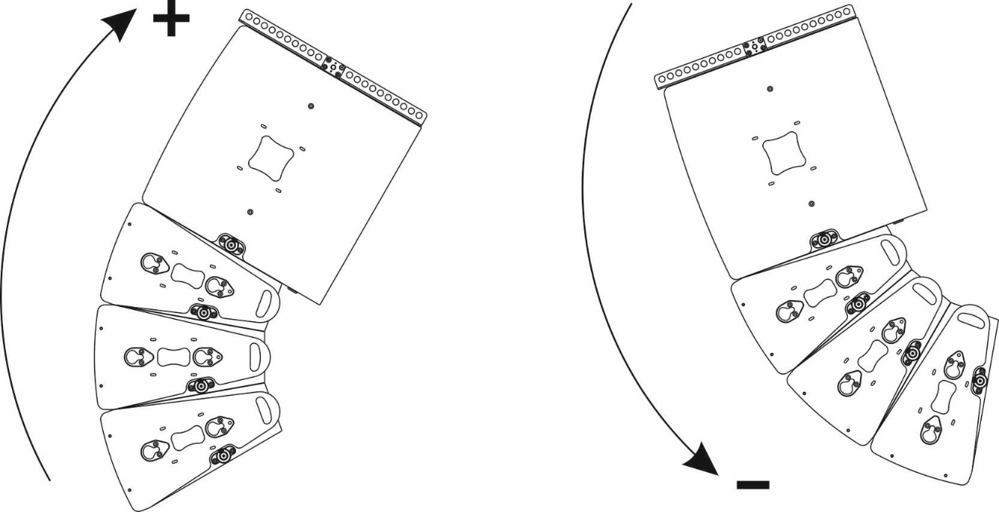
 |  |  | Weight total: | 86 |  | kg |  | Total weight includes: APS SUB, APS, FRV APS ( 5 kg), Main LS Cables (5 kg)
 | 2 motors, kg | front motor |  |  |  |  |  |  |  |  |  |  |  |  |  |  |  |  |  |  |  |  |  | rear motor
 |  | 47 |  |  |  |  |  |  |  |  |  |  |  |  |  |  |  |  |  |  |  |  | 38

 | 1 motor- 2 points | 1 | 0 | 0 | 0 | 0 | 0 | 0 | 0 | 0 | 0 | 0 | 0 | 0 | 0 | 0 | 0 | 0 | 0 | 0 | 0 | 18 | 0 | 0

 | 1 motor - 1 point |  |  |  |  |  |  |  |  |  |  | X

enter the angle of frame FRV APS

0

enter the number of APS SUB cabinets from 1 up to 3
1

enter the number of APS cabinets from 1 up to 4
1

APS with FRH APS
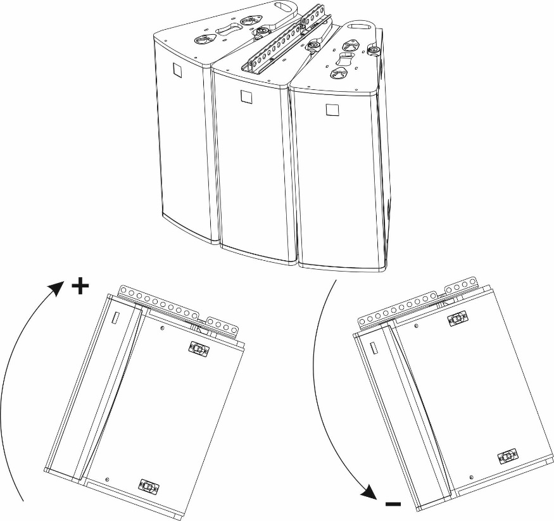
 | Weight total: | 92 |  | kg | Total weight includes: 3xAPS, FRH APS ( 1.6 kg), Main LS Cables (5 kg)

 | 2 motors, kg | front motor |  |  |  |  |  |  |  |  |  |  |  |  |  | rear motor
 |  | 48 |  |  |  |  |  |  |  |  |  |  |  |  | 44

 | 1 motor- 2 points | 1 | 0 | 0 | 0 | 0 | 0 | 0 | 0 | 0 | 0 | 0 | 0 | 0 | 0 | 14

 | 1 motor - 1 point |  |  |  |  |  |  |  | 8

enter the angle of frame FRH APS
0
3x APS

