TiRAY
 |  |  |  |  |  |  |  |  |  |  |  | Weight total: | 27 |  | kg |  | Total weight includes: FRT TR (or FR TR) (6 kg), EXBAR TR (1.5 kg), Main LS Cables (10 kg)
 |  |  |  |  |  |  |  |  |  |  |  | 2 motors, kg | front motor |  |  |  |  |  |  |  |  |  |  |  |  |  |  |  |  |  |  |  |  |  |  |  |  |  |  |  |  | rear motor
 |  |  |  |  |  |  |  |  |  |  |  | with EXBAR TR at the front | 13 |  |  |  |  |  |  |  |  |  |  |  |  |  |  |  |  |  |  |  |  |  |  |  |  |  |  |  | 15
 |  |  |  |  |  |  |  |  |  |  |  | 2 motors, kg |  |  |  |  |  |  |  |  |  |  |  |  |  | front motor |  |  |  |  |  |  |  |  |  |  |  |  |  |  |  |  |  |  |  |  |  |  |  |  |  |  |  |  | rear motor
 |  |  |  |  |  |  |  |  |  |  |  | with EXBAR TR at the back |  |  |  |  |  |  |  |  |  |  |  |  |  | 25 |  |  |  |  |  |  |  |  |  |  |  |  |  |  |  |  |  |  |  |  |  |  |  |  |  |  |  | 2

 |  |  |  |  |  |  |  |  |  |  |  | 2 points-one motor with EXBAR TR |  |  |  | D |  |  |  |  |  |  |  |  |  | 0 | 0 | 0 | 0 | 0 | 0 | 0 | 0 |  |  |  | 0 | 0 | 0 | 0 | 0 | 14

 |  |  |  |  |  |  |  |  |  |  |  | 2 motors, kg |  |  |  |  |  |  |  |  |  |  |  |  |  | front motor |  |  |  |  |  |  |  |  |  |  |  |  |  |  |  | rear motor
 |  |  |  |  |  |  |  |  |  |  |  | without EXBAR TR |  |  |  |  |  |  |  |  |  |  |  |  |  | 23 |  |  |  |  |  |  |  |  |  |  |  |  |  |  | 4

with two shackles |  | with one shackle |  |  |  |  |  |  |  |  |  | 2 points-one motor without EXBAR TR |  |  |  |  |  |  |  |  |  |  |  |  |  | 1 | 0 | 0 | 0 | 0 | 0 | 7 | 0 | 0 | 0 | 0 | 0 | 0 | 0 | 0 | 0 | 0

O K |  | O K |  |  |  |  |  |  |  |  |  | 1 point-one motor |  |  |  |  |  |  |  |  |  |  |  |  |  | FALSE | FALSE | FALSE | 4 | FALSE | FALSE | FALSE | FALSE |  |  |  | FALSE | FALSE | FALSE | FALSE | FALSE | FALSE
k - safety factor of FR TR/ FRT TR
front bar | middle bar | using one shackle |  |  |  |  |  |  |  |  |  |  | A | B | C | D | E | F | G | H | I | J | K | L | M | 1 | 2 | 3 | 4 | 5 | 6 | 7 | 8 | L | K | J | 9 | 10 | 11 | 12 | 13 | 14 | M | L | K | J | I | H | G | F | E | D | C | B | A
172.06 | 439.60 | 182.48

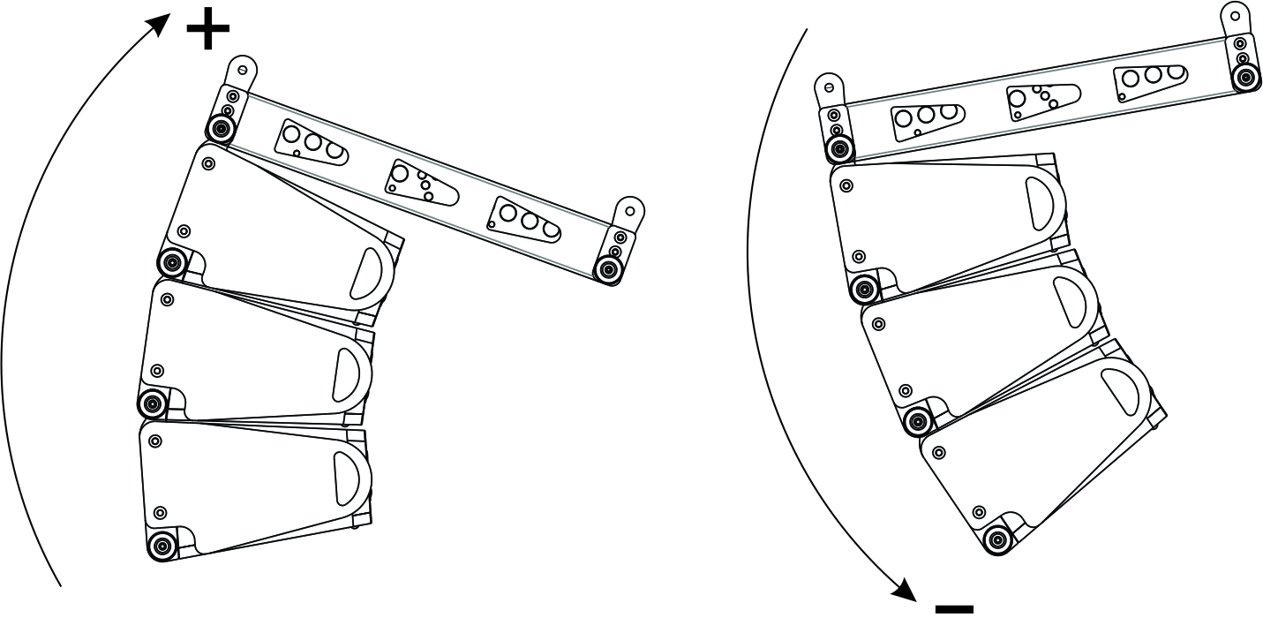

enter the angle of frame FR TR/ FRT TR
Using Exbar TR to add additional flying points between hole 8 and hole 9.
0
enter the number of cabinets from 1 up to 24

1 | TiRAY
 |  |  |  |  |  |  |  |  |  | k - safety factor
 | enter the value of a-angle | Permissible values of a-angle |  |  |  |  |  |  |  | front | rear
1 | 0 | -6 , | -4 , | -2 , | 0 , | 2 , | 4 , | 6 |  | 1382 | 1071
2 | 0 | 0 , | 1 , | #DIV/0! | 5 , | #DIV/0! | 9 , | 12 | #DIV/0! | #DIV/0! | #DIV/0!
3 | 0 | 0 , | 1 , | 4 , | 5 , |  | 9 , | 12 | pin in groundstacking hole | 1382 | 1071
4 | 0 | 0 , | 1 , | 4 , | 5 , |  | 9 , | 12 | pin in groundstacking hole | 691 | 535
5 | 0 | 0 , | 1 , | 4 , | 5 , |  | 9 , | 12 | pin in groundstacking hole | 461 | 357
6 | 0 | 0 , | 1 , | 4 , | 5 , |  | 9 , | 12 | pin in groundstacking hole | 345 | 268
7 | 0 | 0 , | 1 , | 4 , | 5 , |  | 9 , | 12 | pin in groundstacking hole | 276 | 214
8 | 0 | 0 , | 1 , | 4 , | 5 , |  | 9 , | 12 | pin in groundstacking hole | 230 | 178
9 | 0 | 0 , | 1 , | 4 , | 5 , |  | 9 , | 12 | pin in groundstacking hole | 197 | 153
10 | 0 | 0 , | 1 , | 4 , | 5 , |  | 9 , | 12 | pin in groundstacking hole | 173 | 134
11 | 0 | 0 , | 1 , | 4 , | 5 , |  | 9 , | 12 | pin in groundstacking hole | 154 | 119
12 | 0 | 0 , | 1 , | 4 , | 5 , |  | 9 , | 12 | pin in groundstacking hole | 138 | 107
13 | 0 | 0 , | 1 , | 4 , | 5 , |  | 9 , | 12 | pin in groundstacking hole | 126 | 97
14 | 0 | 0 , | 1 , | 4 , | 5 , |  | 9 , | 12 | pin in groundstacking hole | 115 | 89
15 | 0 | 0 , | 1 , | 4 , | 5 , |  | 9 , | 12 | pin in groundstacking hole | 106 | 82
16 | 0 | 0 , | 1 , | 4 , | 5 , |  | 9 , | 12 | pin in groundstacking hole | 99 | 76
17 | 0 | 0 , | 1 , | 4 , | 5 , |  | 9 , | 12 | pin in groundstacking hole | 92 | 71
18 | 0 | 0 , | 1 , | 4 , | 5 , |  | 9 , | 12 | pin in groundstacking hole | 86 | 67
19 | 0 | 0 , | 1 , | 4 , | 5 , |  | 9 , | 12 | pin in groundstacking hole | 81 | 63
20 | 0 | 0 , | 1 , | 4 , | 5 , |  | 9 , | 12 | pin in groundstacking hole | 77 | 59
21 | 0 | 0 , | 1 , | 4 , | 5 , |  | 9 , | 12 | pin in groundstacking hole | 73 | 56
22 | 0 | 0 , | 1 , | 4 , | 5 , |  | 9 , | 12 | pin in groundstacking hole | 69 | 54
23 | 0 | 0 , | 1 , | 4 , | 5 , |  | 9 , | 12 | pin in groundstacking hole | 66 | 51
24 | 0 | 0 , | 1 , | 4 , | 5 , |  | 9 , | 12 | pin in groundstacking hole | 63 | 49

TiLOW+TiRAY
 |  |  |  |  |  |  |  |  |  |  |  | Weight total: | 63 | kg | Total weight includes: 2xFR TR (6 kg), EXBAR TR (1.5 kg), Main LS Cables (20 kg)
 |  |  |  |  |  |  |  |  |  |  |  | 2 motors, kg | front motor |  |  |  |  |  |  |  |  |  |  |  |  |  |  |  |  |  |  |  | rear motor
 |  |  |  |  |  |  |  |  |  |  |  | with EXBAR TR at the front | 23 |  |  |  |  |  |  |  |  |  |  |  |  |  |  |  |  |  |  | 41
 |  |  |  |  |  |  |  |  |  |  |  | 2 motors, kg |  |  |  |  | front motor |  |  |  |  |  |  |  |  |  |  |  |  |  |  |  |  |  | rear motor
 |  |  |  |  |  |  |  |  |  |  |  | with EXBAR TR at the back |  |  |  |  | 51 |  |  |  |  |  |  |  |  |  |  |  |  |  |  |  |  | 12

 |  |  |  |  |  |  |  |  |  |  |  | 2 points-one motor with EXBAR TR |  |  |  | J | 0 | 0 | 0 | 0 | 0 | 0 | 0 | 0 |  |  |  | 0 | 0 | 0 | 0 | 0 | 14

 |  |  |  |  |  |  |  |  |  |  |  | 2 motors, kg |  |  |  |  | front motor |  |  |  |  |  |  |  |  |  |  |  |  |  |  |  | rear motor
 |  |  |  |  |  |  |  |  |  |  |  | without EXBAR TR |  |  |  |  | 41 |  |  |  |  |  |  |  |  |  |  |  |  |  |  | 22

 |  |  |  |  |  |  |  |  |  |  |  | 2 points-one motor without EXBAR TR |  |  |  |  | 1 | 0 | 0 | 0 | 0 | 0 | 0 | 0 | 0 | 0 | 0 | 0 | 10 | 0 | 0 | 0 | 0

 |  |  |  |  |  |  |  |  |  |  |  | 1 point-one motor |  |  |  |  | FALSE | FALSE | FALSE | FALSE | FALSE | FALSE | 7 | FALSE |  |  |  | FALSE | FALSE | FALSE | FALSE | FALSE | FALSE

with two shackles |  | with one shackle
O K |  | O K
k - safety factorof FR TR
front bar | rear bar | using one shackle
84.03 | 105.79 | 78.86

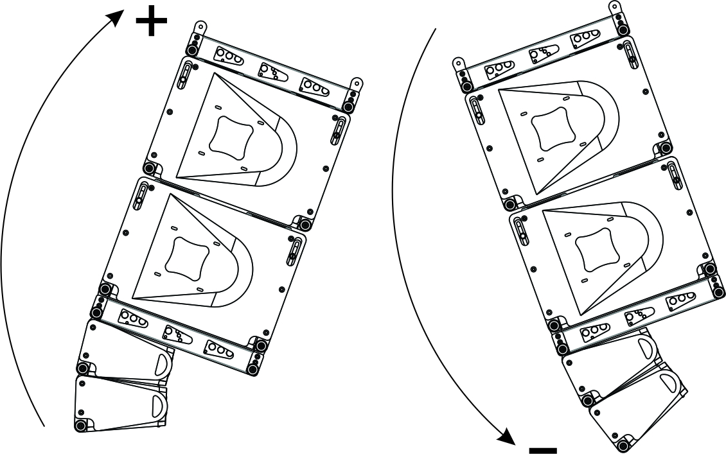
Using Exbar TR to add additional flying points between hole 8 and hole 9.
enter the angle of frame FR TR

0

enter the number of cabinets from 1 up to 12
1 | TiLOW |  |  |  |  |  |  |  |  | k - safety factor
 |  |  |  |  |  |  |  |  |  | front | rear
1 |  |  |  |  |  |  |  |  |  | 316 | 549
2 |  |  |  |  |  |  |  |  |  | #DIV/0! | #DIV/0!
3 |  |  |  |  |  |  |  |  |  | 801 | 2301
4 |  |  |  |  |  |  |  |  |  | 324 | 517
5 |  |  |  |  |  |  |  |  |  | 203 | 291
6 |  |  |  |  |  |  |  |  |  | 148 | 203
7 |  |  |  |  |  |  |  |  |  | 116 | 156
8 |  |  |  |  |  |  |  |  |  | 96 | 126
9 |  |  |  |  |  |  |  |  |  | 82 | 106
10 |  |  |  |  |  |  |  |  |  | 71 | 92
11 |  |  |  |  |  |  |  |  |  | 63 | 81
12 |  |  |  |  |  |  |  |  |  | 56 | 72

enter the number of cabinets from 1 up to 24
1 | TiRAY |  |  |  |  |  |  |  |  | k - safety factor
 | enter the value of a-angle | Permissible values of a-angle |  |  |  |  |  |  |  | front | rear
1 | 0 | -6 , | -4 , | -2 , | 0 , | 2 , | 4 , | 6 |  | 1382 | 1071
2 | 0 | 0 , | 1 , | #DIV/0! | 5 , | #DIV/0! | 9 , | 12 | #DIV/0! | #DIV/0! | #DIV/0!
3 | 0 | 0 , | 1 , | 4 , | 5 , |  | 9 , | 12 | pin in groundstacking hole | 1382 | 1071
4 | 0 | 0 , | 1 , | 4 , | 5 , |  | 9 , | 12 | pin in groundstacking hole | 691 | 535
5 | 0 | 0 , | 1 , | 4 , | 5 , |  | 9 , | 12 | pin in groundstacking hole | 461 | 357
6 | 0 | 0 , | 1 , | 4 , | 5 , |  | 9 , | 12 | pin in groundstacking hole | 345 | 268
7 | 0 | 0 , | 1 , | 4 , | 5 , |  | 9 , | 12 | pin in groundstacking hole | 276 | 214
8 | 0 | 0 , | 1 , | 4 , | 5 , |  | 9 , | 12 | pin in groundstacking hole | 230 | 178
9 | 0 | 0 , | 1 , | 4 , | 5 , |  | 9 , | 12 | pin in groundstacking hole | 197 | 153
10 | 0 | 0 , | 1 , | 4 , | 5 , |  | 9 , | 12 | pin in groundstacking hole | 173 | 134
11 | 0 | 0 , | 1 , | 4 , | 5 , |  | 9 , | 12 | pin in groundstacking hole | 154 | 119
12 | 0 | 0 , | 1 , | 4 , | 5 , |  | 9 , | 12 | pin in groundstacking hole | 138 | 107
13 | 0 | 0 , | 1 , | 4 , | 5 , |  | 9 , | 12 | pin in groundstacking hole | 126 | 97
14 | 0 | 0 , | 1 , | 4 , | 5 , |  | 9 , | 12 | pin in groundstacking hole | 115 | 89
15 | 0 | 0 , | 1 , | 4 , | 5 , |  | 9 , | 12 | pin in groundstacking hole | 106 | 82
16 | 0 | 0 , | 1 , | 4 , | 5 , |  | 9 , | 12 | pin in groundstacking hole | 99 | 76
17 | 0 | 0 , | 1 , | 4 , | 5 , |  | 9 , | 12 | pin in groundstacking hole | 92 | 71
18 | 0 | 0 , | 1 , | 4 , | 5 , |  | 9 , | 12 | pin in groundstacking hole | 86 | 67
19 | 0 | 0 , | 1 , | 4 , | 5 , |  | 9 , | 12 | pin in groundstacking hole | 81 | 63
20 | 0 | 0 , | 1 , | 4 , | 5 , |  | 9 , | 12 | pin in groundstacking hole | 77 | 59
21 | 0 | 0 , | 1 , | 4 , | 5 , |  | 9 , | 12 | pin in groundstacking hole | 73 | 56
22 | 0 | 0 , | 1 , | 4 , | 5 , |  | 9 , | 12 | pin in groundstacking hole | 69 | 54
23 | 0 | 0 , | 1 , | 4 , | 5 , |  | 9 , | 12 | pin in groundstacking hole | 66 | 51
24 | 0 | 0 , | 1 , | 4 , | 5 , |  | 9 , | 12 | pin in groundstacking hole | 63 | 49

TiLOW
 |  |  |  |  | Weight total: | 38 | kg | Total weight includes: FR TR (6 kg), EXBAR TR (1.5 kg), Main LS Cables (10 kg)
 |  |  |  |  | 2 motors, kg | front motor |  |  |  |  |  |  |  |  |  |  |  |  |  |  |  |  |  |  |  | rear motor
 |  |  |  |  | with EXBAR TR at the front | 12 |  |  |  |  |  |  |  |  |  |  |  |  |  |  |  |  |  |  | 26
 |  |  |  |  | 2 motors, kg |  |  |  |  | front motor |  |  |  |  |  |  |  |  |  |  |  |  |  |  |  |  |  | rear motor
 |  |  |  |  | with EXBAR TR at the back |  |  |  |  | 28 |  |  |  |  |  |  |  |  |  |  |  |  |  |  |  |  | 9

 |  |  |  |  | 2 points-one motor with EXBAR TR |  |  |  | L | 0 | 0 | 0 | 0 | 0 | 0 | 0 | 0 |  |  |  | 0 | 0 | 0 | 0 | 0 | 14

 |  |  |  |  | 2 motors, kg |  |  |  |  | front motor |  |  |  |  |  |  |  |  |  |  |  |  |  |  |  | rear motor
 |  |  |  |  | without EXBAR TR |  |  |  |  | 21 |  |  |  |  |  |  |  |  |  |  |  |  |  |  | 17

with two shackles |  | with one shackle |  |  | 2 points-one motor without EXBAR TR |  |  |  |  | 1 | 0 | 0 | 0 | 0 | 0 | 0 | 0 | 0 | 0 | 0 | 0 | 0 | 0 | 12 | 0 | 0

O K |  | O K |  |  | 1 point-one motor |  |  |  |  | FALSE | FALSE | FALSE | FALSE | FALSE | FALSE | FALSE | 8 |  |  |  | FALSE | FALSE | FALSE | FALSE | FALSE | FALSE
k - safety factor of FR TR
front bar | rear bar | using one shackle
151.83 | 165.46 | 133.33

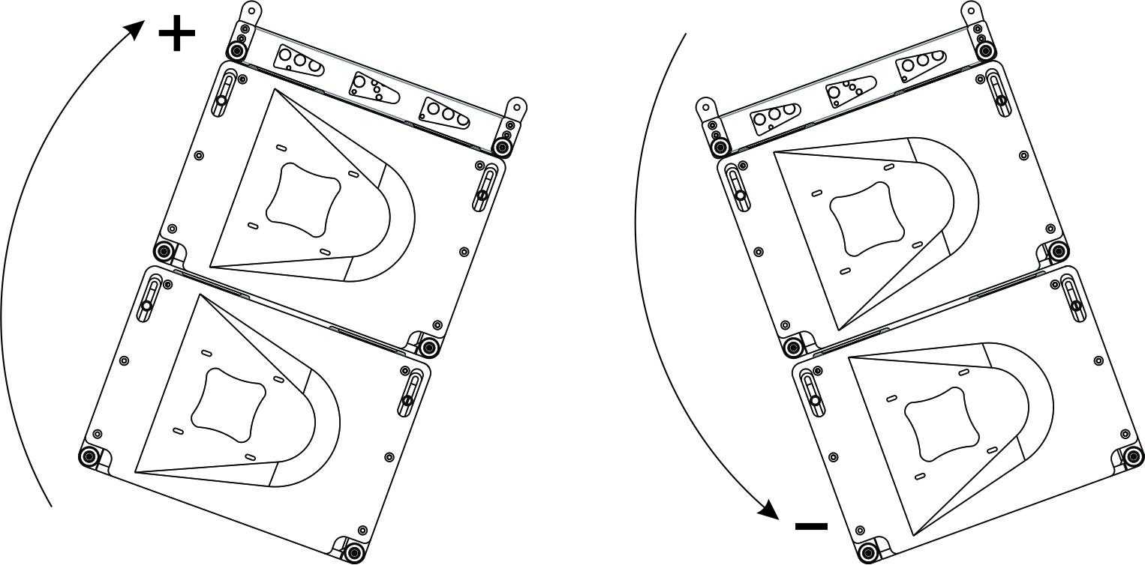
Using Exbar TR to add additional flying points between hole 8 and hole 9.
enter the angle of frame FR TR

0

enter the number of cabinets from 1 up to 12
1 | TiLOW |  | k - safety factor
 |  |  | front | rear
1 |  |  | 545 | 667
2 |  |  | #DIV/0! | #DIV/0!
3 |  |  | 545 | 667
4 |  |  | 272 | 334
5 |  |  | 182 | 222
6 |  |  | 136 | 167
7 |  |  | 109 | 133
8 |  |  | 91 | 111
9 |  |  | 78 | 95
10 |  |  | 68 | 83
11 |  |  | 61 | 74
12 |  |  | 54 | 67

TiRAY+TiLOW+TiRAY
 |  |  |  |  |  |  |  |  |  |  |  | Weight total: | 80 | kg |  | Total weight includes: 3xFR TR (6 kg), EXBAR TR (1.5 kg),SA TR (0.5 kg) Main LS Cables (20 kg)
 |  |  |  |  |  |  |  |  |  |  |  | 2 motors, kg | front motor |  |  |  |  |  |  |  |  |  |  |  |  |  |  |  |  |  |  |  | rear motor
 |  |  |  |  |  |  |  |  |  |  |  | with EXBAR TR at the front | 34 |  |  |  |  |  |  |  |  |  |  |  |  |  |  |  |  |  |  | 45

 |  |  |  |  |  |  |  |  |  |  |  | 2 motors, kg |  |  |  |  | front motor |  |  |  |  |  |  |  |  |  |  |  |  |  |  |  |  |  | rear motor
 |  |  |  |  |  |  |  |  |  |  |  | with EXBAR TR at the back |  |  |  |  | 70 |  |  |  |  |  |  |  |  |  |  |  |  |  |  |  |  | 10

 |  |  |  |  |  |  |  |  |  |  |  | 2 points-one motor with EXBAR TR |  |  | D |  | 0 | 0 | 0 | 0 | 0 | 0 | 0 | 0 |  |  |  | 0 | 0 | 0 | 0 | 0 | 14

 |  |  |  |  |  |  |  |  |  |  |  | 2 motors, kg |  |  |  |  | front motor |  |  |  |  |  |  |  |  |  |  |  |  |  |  |  | rear motor
 |  |  |  |  |  |  |  |  |  |  |  | without EXBAR TR |  |  |  |  | 62 |  |  |  |  |  |  |  |  |  |  |  |  |  |  | 17

 |  |  |  |  |  |  |  |  |  |  |  | 2 points-one motor without EXBAR TR |  |  |  |  | 1 | 0 | 0 | 0 | 0 | 0 | 7 | 0 | 0 | 0 | 0 | 0 | 0 | 0 | 0 | 0 | 0

 |  |  |  |  |  |  |  |  |  |  |  | 1 point-one motor |  |  |  |  | FALSE | FALSE | FALSE | 4 | FALSE | FALSE | FALSE | FALSE |  |  |  | FALSE | FALSE | FALSE | FALSE | FALSE | FALSE
with two shackles |  | with one shackle
O K |  | O K
k - safety factor of FR TR

front bar | middle bar | using one shackle
61.27 | 118.69 | 62.66

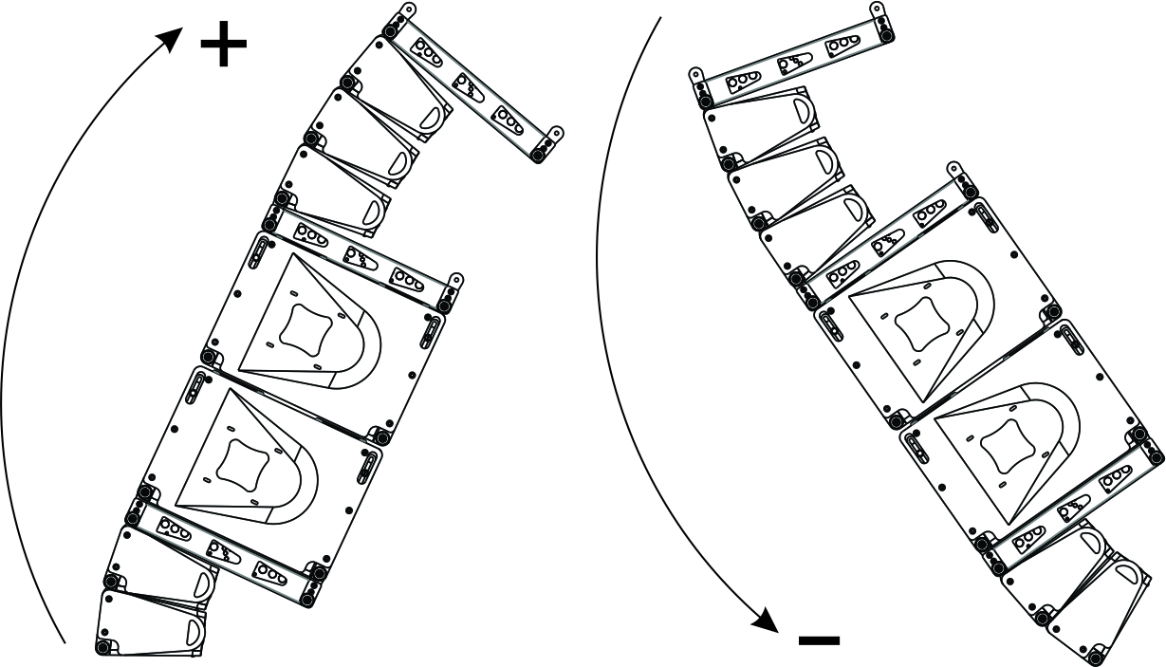
Using Exbar TR to add additional flying points between hole 8 and hole 9.
enter the angle of frame FR TR

0

enter the number of cabinets from 1 up to 24
1 | TiRAY |  |  |  |  |  |  |  |  | k - safety factor
 | enter the value of a-angle | Permissible values of a-angle |  |  |  |  |  |  |  | front | rear
1 | 0 | -6 , | -4 , | -2 , | 0 , | 2 , | 4 , | 6 , |  | 327 | 161
2 | 0 | 0 , | 1 , | #DIV/0! | 5 , | #DIV/0! | 9 , | 12 , | #DIV/0! | #DIV/0! | #DIV/0!
3 | 0 | 0 , | 1 , | 3 , | 5 , | 7 , | 9 , | 12 , |  | 1770 | 120
4 | 0 | 0 , | 1 , | 3 , | 5 , | 7 , | 9 , | 12 , |  | 776 | 136
5 | 0 | 0 , | 1 , | 3 , | 5 , | 7 , | 9 , | 12 , |  | 497 | 155
6 | 0 | 0 , | 1 , | 3 , | 5 , | 7 , | 9 , | 12 , |  | 365 | 182
7 | 0 | 0 , | 1 , | 3 , | 5 , | 7 , | 9 , | 12 , |  | 289 | 219
8 | 0 | 0 , | 1 , | 3 , | 5 , | 7 , | 9 , | 12 , |  | 239 | 276
9 | 0 | 0 , | 1 , | 3 , | 5 , | 7 , | 9 , | 12 , |  | 204 | 371
10 | 0 | 0 , | 1 , | 3 , | 5 , | 7 , | 9 , | 12 , |  | 178 | 568
11 | 0 | 0 , | 1 , | 3 , | 5 , | 7 , | 9 , | 12 , |  | 157 | 1209
12 | 0 | 0 , | 1 , | 4 , | 5 , |  | 9 , | 12 , | pin in groundstacking hole | 141 | 9358
13 | 0 | 0 , | 1 , | 4 , | 5 , |  | 9 , | 12 , | pin in groundstacking hole | 128 | 961
14 | 0 | 0 , | 1 , | 4 , | 5 , |  | 9 , | 12 , | pin in groundstacking hole | 117 | 506
15 | 0 | 0 , | 1 , | 4 , | 5 , |  | 9 , | 12 , | pin in groundstacking hole | 108 | 344
16 | 0 | 0 , | 1 , | 4 , | 5 , |  | 9 , | 12 , | pin in groundstacking hole | 100 | 260
17 | 0 | 0 , | 1 , | 4 , | 5 , |  | 9 , | 12 , | pin in groundstacking hole | 93 | 209
18 | 0 | 0 , | 1 , | 4 , | 5 , |  | 9 , | 12 , | pin in groundstacking hole | 88 | 175
19 | 0 | 0 , | 1 , | 4 , | 5 , |  | 9 , | 12 , | pin in groundstacking hole | 82 | 150
20 | 0 | 0 , | 1 , | 4 , | 5 , |  | 9 , | 12 , | pin in groundstacking hole | 78 | 132
21 | 0 | 0 , | 1 , | 4 , | 5 , |  | 9 , | 12 , | pin in groundstacking hole | 74 | 117
22 | 0 | 0 , | 1 , | 4 , | 5 , |  | 9 , | 12 , | pin in groundstacking hole | 70 | 106
23 | 0 | 0 , | 1 , | 4 , | 5 , |  | 9 , | 12 , | pin in groundstacking hole | 66 | 96
24 | 0 | 0 , | 1 , | 4 , | 5 , |  | 9 , | 12 , | pin in groundstacking hole | 63 | 88

enter the angle of frame FR TR from -12 up to 6 deg.

0

enter the number of cabinets from 1 up to 12
1 | TiLOW |  |  |  |  |  |  |  |  | k - safety factor
 |  |  |  |  |  |  |  |  |  | front | rear
1 |  |  |  |  |  |  |  |  |  | 103 | 549
2 |  |  |  |  |  |  |  |  |  | #DIV/0! | #DIV/0!
3 |  |  |  |  |  |  |  |  |  | 429 | 402
4 |  |  |  |  |  |  |  |  |  | 2022 | 1011
5 |  |  |  |  |  |  |  |  |  | 746 | 1962
6 |  |  |  |  |  |  |  |  |  | 315 | 498
7 |  |  |  |  |  |  |  |  |  | 200 | 285
8 |  |  |  |  |  |  |  |  |  | 146 | 200
9 |  |  |  |  |  |  |  |  |  | 115 | 154
10 |  |  |  |  |  |  |  |  |  | 95 | 125
11 |  |  |  |  |  |  |  |  |  | 81 | 105
12 |  |  |  |  |  |  |  |  |  | 70 | 91

enter the number of cabinets from 1 up to 24
1 | TiRAY |  |  |  |  |  |  |  |  | k - safety factor
 | enter the value of a-angle | Permissible values of a-angle |  |  |  |  |  |  |  | front | rear
1 | 0 | -6 , | -4 , | -2 , | 0 , | 2 , | 4 , | 6 , |  | 1382 | 1071
2 | 0 | 0 , | 1 , | #DIV/0! | 5 , | #DIV/0! | 9 , | 12 , | #DIV/0! | #DIV/0! | #DIV/0!
3 | 0 | 0 , | 1 , | 4 , | 5 , |  | 9 , | 12 , | pin in groundstacking hole | 1382 | 1071
4 | 0 | 0 , | 1 , | 4 , | 5 , |  | 9 , | 12 , | pin in groundstacking hole | 691 | 535
5 | 0 | 0 , | 1 , | 4 , | 5 , |  | 9 , | 12 , | pin in groundstacking hole | 461 | 357
6 | 0 | 0 , | 1 , | 4 , | 5 , |  | 9 , | 12 , | pin in groundstacking hole | 345 | 268
7 | 0 | 0 , | 1 , | 4 , | 5 , |  | 9 , | 12 , | pin in groundstacking hole | 276 | 214
8 | 0 | 0 , | 1 , | 4 , | 5 , |  | 9 , | 12 , | pin in groundstacking hole | 230 | 178
9 | 0 | 0 , | 1 , | 4 , | 5 , |  | 9 , | 12 , | pin in groundstacking hole | 197 | 153
10 | 0 | 0 , | 1 , | 4 , | 5 , |  | 9 , | 12 , | pin in groundstacking hole | 173 | 134
11 | 0 | 0 , | 1 , | 4 , | 5 , |  | 9 , | 12 , | pin in groundstacking hole | 154 | 119
12 | 0 | 0 , | 1 , | 4 , | 5 , |  | 9 , | 12 , | pin in groundstacking hole | 138 | 107
13 | 0 | 0 , | 1 , | 4 , | 5 , |  | 9 , | 12 , | pin in groundstacking hole | 126 | 97
14 | 0 | 0 , | 1 , | 4 , | 5 , |  | 9 , | 12 , | pin in groundstacking hole | 115 | 89
15 | 0 | 0 , | 1 , | 4 , | 5 , |  | 9 , | 12 , | pin in groundstacking hole | 106 | 82
16 | 0 | 0 , | 1 , | 4 , | 5 , |  | 9 , | 12 , | pin in groundstacking hole | 99 | 76
17 | 0 | 0 , | 1 , | 4 , | 5 , |  | 9 , | 12 , | pin in groundstacking hole | 92 | 71
18 | 0 | 0 , | 1 , | 4 , | 5 , |  | 9 , | 12 , | pin in groundstacking hole | 86 | 67
19 | 0 | 0 , | 1 , | 4 , | 5 , |  | 9 , | 12 , | pin in groundstacking hole | 81 | 63
20 | 0 | 0 , | 1 , | 4 , | 5 , |  | 9 , | 12 , | pin in groundstacking hole | 77 | 59
21 | 0 | 0 , | 1 , | 4 , | 5 , |  | 9 , | 12 , | pin in groundstacking hole | 73 | 56
22 | 0 | 0 , | 1 , | 4 , | 5 , |  | 9 , | 12 , | pin in groundstacking hole | 69 | 54
23 | 0 | 0 , | 1 , | 4 , | 5 , |  | 9 , | 12 , | pin in groundstacking hole | 66 | 51
24 | 0 | 0 , | 1 , | 4 , | 5 , |  | 9 , | 12 , | pin in groundstacking hole | 63 | 49

